Site Layout
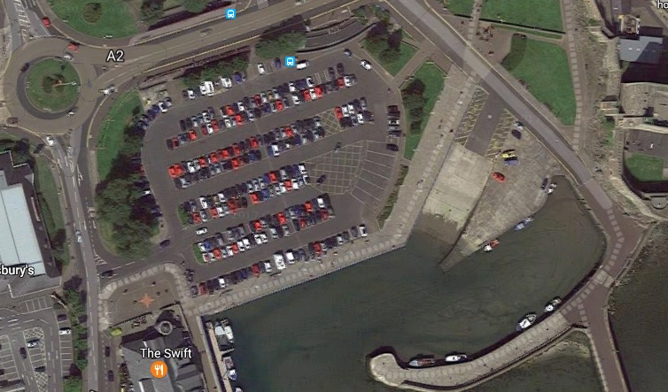
Insert site map with layout here

